Related Acronyms Explanation
Type | Abbreviation | Description | Category | Model | Picture | Max. Resolution |  | Description | Packing Qty.
All | — | Indicates that this option is not supported. |  |  |  | DGUS | TA
Shell | PS1 | The plastic shell suitable for indoor use, it may be deformed due to excessive temperature or UV degradation when outdoor use. | ASIC | T5L0 | 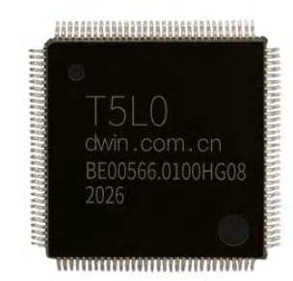 | 854*480 | 1024*768 | DGUS II ASIC,Dual cores,built-in display buffer,18bit RGB interface,Industrial grade. | 1000
 | PS2 | The plastic shell suitable for indoor and outdoor use, undeformed at high or low temperatures, and has UV protection.
 | MS1 | The embedded smart screen wrapped in a stainless steel iron frame has a structure similar to a bare screen.
 | MS2 | The aluminum alloy shell, suitable for both indoor and outdoor environment. | ASIC | T5L1 | 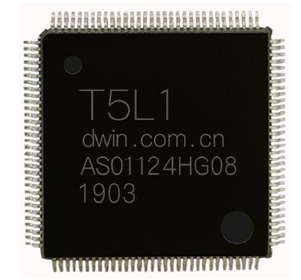 | 800*600 | 1366*768 | DGUS II ASIC, Dual cores, built-in display buffer,24bit RGB interface,Industrial grade | 1000
LCD Type | TN | Normal viewing angle TN process TFT display, the viewing angle is 70/70/50/70 (L/R/U/D).
 | EWTN | Wide viewing angle TN process TFT display, the viewing angle is 75/75/75/75 (L/R/U/D).
 | IPS | IPS process TFT display, commonly known as hard screen, has high contrast, good color reproduction, and wide viewing angle (typical value is 85/85/85/85).
 | SFT | SFT process TFT display, with high contrast, good color reproduction, wide viewing angle (typical value is over 88/88/88/88). | ASIC | T5L2 | 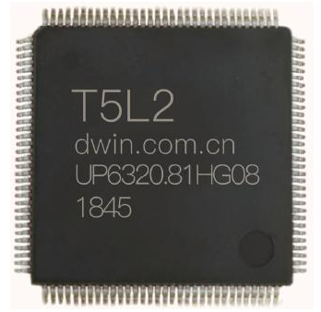 | 1366*768 | 1920*1080 | DGUS II ASIC,Dual cores,built-in display buffer,24bit RGB interface,Industrial grade. | 1000
Touch Type | R4 | 4-wire RTP
 | R4AV | 4-wire RTP with anti-glare and anti-UV, it suitable for outdoor use.
 | R5 | 5-wire RTP
 | R5AV | 5-wire RTP with anti-glare and anti-UV, it suitable for outdoor use.
 | CP | G+P low-cost CTP
 | CG | G+G CTP, it can adjust the sensitivity of the front tempered glass or acrylic panel.
 | GFF | G+FF CTP, it can adjust the sensitivity of the front tempered glass or acrylic panel.
 | CGAV | G+G CTP with anti-glare and anti-UV, suitable for outdoor use. The sensitivity can be adjusted with front tempered glass or acrylic panel.
RTC | BT | Use CR3220 or CR1220 lithium electronic battery as RTC backup power source, the battery needs to be replaced after the battery life is 1-5 years (depending on the battery and the use environment).
 | FC | Using farad capacitors as RTC backup power supply, it can last for about 30 days after power failure, and there is no service life problem.
Memory | 1G | Built-in NAND Flash memory is 1Gbits (128Mbytes).
 | 2G | Built-in NAND Flash memory is 2Gbits (256Mbytes).
 | 4G | Built-in NAND Flash memory is 4Gbits (512Mbytes).
 | 8G | Built-in NAND Flash memory is 8Gbits (1Gbytes).
 | 16G | Built-in NAND Flash memory is 16Gbits (2Gbytes).
 | 4MB | Build-in Nor Flash memery is 32Mbits (4Mbytes).
 | 8MB | Build-in Nor Flash memery is 64Mbits (8Mbytes).
 | 16MB | Build-in Nor Flash memery is 128Mbits (16Mbytes).
 | 32MB | Build-in Nor Flash memery is 256Mbits (32Mbytes).
Brightness | A | Suffix A(for example ,the selection mark is 500A) indicates that the brightness of the backlight can be automatically adjusted with the change of the ambient brightness, which is mainly used for high-brightness products.
Signal interface | TTL | 3.3V-5V level compatible with TTL/CMOS full-duplex UART interface, the highest rate is 16Mbps.
 | 232 | A full-duplex UART interface that meets EIA232-F level specifications,15KV ESK interface protection, and a maximum rate of 250kbps.
 | TTL/232 | 3.3V-5V level compatible with TTL/CMOS/RS232 full-duplex UART interface, TTL (in-phase) or 232 (reverse) mode can be selected for each line, the maximum rate is 16Mbps.
 | 485 | A half-duplex UART interface that meets EIA485-A level specifications, 15KV ESD interface protection, and a maximum rate of 10Mbps.
 | 232/485 | A serial port provides RS232 and RS485, but cannot be used simultaneously.
Development mode | TA | DWIN serial port instruction set UI development mode, typical operating platforms include M100/M600/K600/H600/K600+/T5UIC2, among which the L series supports high-quality music playback.
 | TC | Condensed version of DWIN instruction set development mode (T5UIC1/C4) composed of a single T5 CPU.
 | DGUS | DGUS UI development mode based on K600+ kernel, UI refresh cycle 200ms, support non-real-time DWIN OS.
 | DGUSL | The high score simplified version of DDUS UI development mode running on T5 CPU does not support DWIN OS (T5UIC3 platform).
 | DGUS II | DGUS UI development model based on DWIN T5/T5L CPU, UI refresh cycle 16-60mS, high-quality music playback, DWIN OS real-time operation, typical platforms include T5UID1/D2/D3/T5L.
User interface | 10P10F | 10Pin 1.0mm, FCC interface
 | 40P05F | 40Pin 0.5mm, FCC interface
 | 50P05F | 50Pin 0.5mm, FCC interface
 | 6P25P | 6Pin 2.54mm, straight plug socket
 | 8P25P | 8Pin 2.54mm, straight plug socket
 | 8P20L | 8Pin_2.0mm lock socket
 | 8P20P | 8Pin 2.0mm, patch socket
 | 6P38P | 6Pin 3.81mm, phoenix terminal socket
 | 8P38P | 8Pin 3.81mm, phoenix terminal socket
 | 10P51P | 10Pin 5.08, terminal block
 | 2P20P | 2Pin_ 2.0mm horizontal socket
 | 10P38P | 10Pin_3.81mm socket

Circular screen
DWIN Technology Circular Screen Selection Guide
Size | Shell | LCD Type | Touch Type | Model | Active Area （mm） | Resolution（H*V） | Brightness (nit) | Operating Voltage （V） | Operating Current （mA） | Operating Temperature （℃） | Interface |  | Flash | RTC | Buzzer | Speaker | Note
 |  |  |  |  |  |  |  |  |  |  | Signal interface | User interface
COB structure:
1.3 | — | IPS | GFF | DMG24240C013_03W | D=32.4 | 240*240 | 150,200 | 4.5-5.5 | 75mA@5V | -10/+60 | TTL*2 | 10P10F | 16MB | FC | Yes | —
1.6 | — | IPS | GFF | DMG40400C016_03W | D=39.84 | 400*400 | 250 | 4.5-5.5 | 130mA@5V | -20/+70 | TTL*2 | 10P10F | 16MB | — | Yes | —
2.1 | — | IPS | GF | DMG48480C021_02W | D=53.3 | 480*480 | 350 | 4.5-5.5 | 140mA@5V | -20/+70 | TTL/232 | 10P10F | 16MB | — | Yes | —
2.1 | — | IPS | GF | DMG48480C021_03W | D=53.3 | 480*480 | 350,400 | 4.5-5.5 | 130mA@5V | -20/+70 | TTL/232 | 10P10F | 16MB | — | Yes | —
2.8 | — | IPS | GFF | DMG48480C028_03W | D=70.1 | 480*480 | 300 | 4.5-5.5 | 140mA@5V | -20/+70 | TTL/232 | 10P10F | 16MB | — | Yes | —
COF structure:
1.6 | — | IPS | GFF | DMG40400F016_06W | 39.84×39.84 | 400*400 | 50,250,300 | 4.5-5.5 | 160mA@5V | -10/+60 | TTL*2 | 10P10F | 16MB | — | — | — | Debugging board:HDL662K has buzzer,speaker interface,and USB interface
2.1 | — | IPS | GFF | DMG48480F021_01W | 53.28×53.28 | 480*480 | 50,350,400 | 3.6-5.5 | 170mA@5V | -10/+60 | TTL*3 | 50P05F | 8MB | — | — | — | Debugging board:HDL662S has buzzer,speaker interface,SD card interface and USB interface
Circular rotary screen with encoder shell:
1.28 | PS1 | IPS | — | DMG24240C013_13WN | D=32.4 | 240*240 | 400 | 4.5-5.5 | 95mA@5V | -20/+70 | TTL | 4P20F | 16MB | — | — | —
1.54 | PS1 | IPS | — | DMG24240C015_13WN | D=26.8 | 240*240 | — | 4.5-5.5 | 62mA@5V | -20/+70 | TTL | 6P20F | 16MB | — | — | —
2.1 | PS1 | IPS | GFF | DMG48480C021_13WTC | D=53.28 | 480*480 | 350 | 4.5-5.5 | 155mA@5V | -20/+70 | TTL | 6P20F | 16MB | — | — | —

 |  | 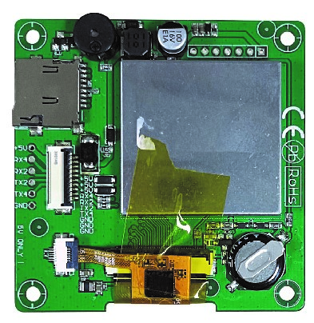 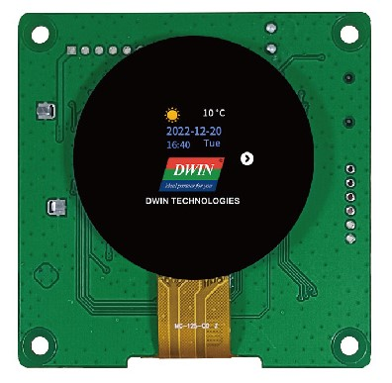

 |  | COB structure |  |  |  | COF structure |  |  |  |  | Circular rotary screen

